Expansion Cost Data
Source: e-Highway booklet (p. 35)
"Considering the accuracy of the study, only indica- tive cost estimates are possible: thus only minimal and maximal values have been assessed. Minimal cost valuation assumes that AC overhead lines ( OHL ) can systematically be used for terrestrial lines. Maximal cost valuation assumes that DC underground cables are preferred for all terrestrial connections. For the three less constrained scenarios ( Big & mar- ket, Fossil & nuclear and Small & local ), the resulting total investment costs lie between 120 and 220 billion Euros, depending on the acceptance of new overhead lines or the preference for DC underground cables."5) | 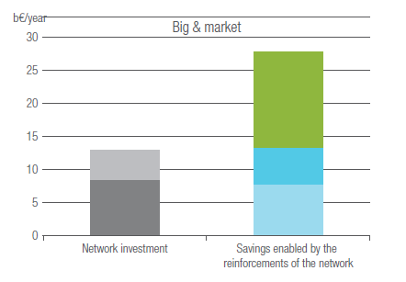

Max expansion costs (Euro/year): | 220000000000
Min expansion costs (Euro/year): | 120000000000

Average expansion costs (Euro/year): | 170000000000

